MDC
TRG1101 |  |  |  | MISSION DATA CARD |  |  |  | SHOOTER 1 |  |  |  | TRG1101 | MISSION DATA CARD | SHOOTER 1
OVERVIEW |  |  |  |  |  |  |  |  |  |  |  | TARGET AREA
Date |  | Mission Type |  |  |  | Step | Taxi | T/O | Fuel |  |  | 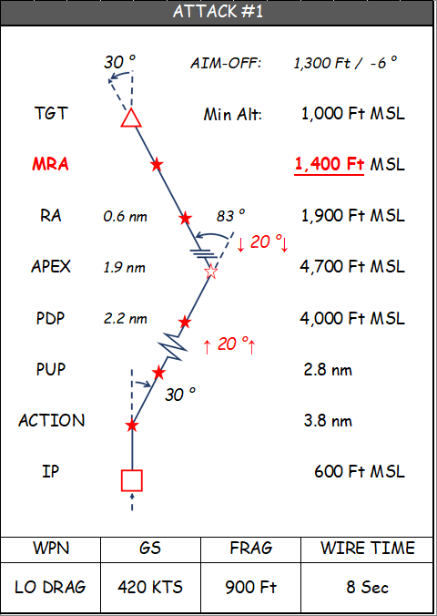 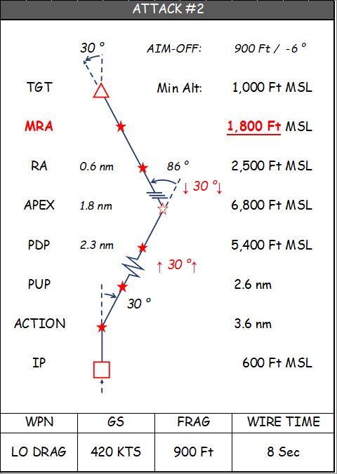 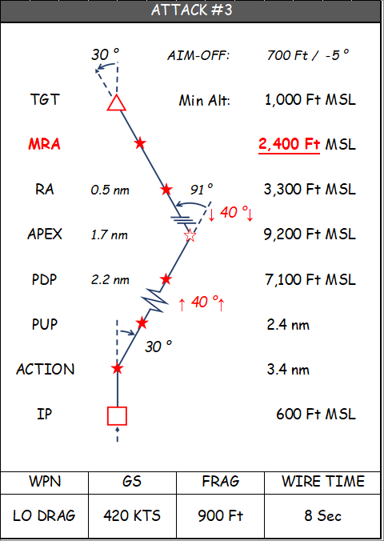  [IMAGE]
NA |  | POP-UP ATTACK |  |  |  | H | H+10 | H+15 | TOTAL | 9000
 |  |  |  |  |  |  |  |  | TIGER | 3200
 |  |  |  |  |  |  |  |  | JOKER | 2500
 |  |  |  |  |  |  |  |  | BINGO | 2000
Aircraft | Callsign |  | Pilot |  | LAS | Loadout |  |  |  | IFF | TCN
 | SHOOTER 11 |  |  |  | 1681 | 6B33X2AX2WX1 |  |  |  | 5511 | 51Y
 | SHOOTER 12 |  |  |  | 1682 | 6B33X2AX2WX1 |  |  |  | 5512 | 114Y
 | SHOOTER 13 |  |  |  | 1683 | 6B33X2AX2WX1 |  |  |  | 5513 | 51Y
 | SHOOTER 14 |  |  |  | 1684 | 6B33X2AX2WX1 |  |  |  | 5514 | 114Y
MISSION BRIEF
Objective |  |  |  |  |  |  |  | Known Threats |  |  | Qty
RANGE YG77 N24°11.350 E053°42.433 |  |  |  |  |  |  |  | SA10
 |  |  |  |  |  |  |  | SA15
 |  |  |  |  |  |  |  | SA3
 |  |  |  |  |  |  |  | MIG29
 |  |  |  |  |  |  |  | L39
Notes |  |  |  |  |  |  |  | F5
YG77 Range Control Local: 251.100 AM DMPI A - YG77 WEST N24°11.317 E053°41.417 DMPI B - YG77 EAST N24°12.283 E053°42.417

PACKAGE COMMS
Flight | Callsign |  | Freq |  | Btn | Task |  | Notes
55FS | SHOOTER 1 |  | 137.95 |  | V1

TACTICAL COMM PLAN
Agency | Callsign |  | Freq |  | Btn | Notes |  | Mission Codewords
SOF | Shooter Ops |  | 355.00 |  | U1 |  |  | HOLDING
GND | Al Dhafra |  | 251.50 |  | U2 |  |  | ROLEX
TWR | Al Dhafra |  | 251.00 |  | U3 |  |  | OFF STATION
RANGE | YG77 |  | 250.00 |  | U5 |  |  | PUSH
 |  |  |  |  |  |  |  | OFF TARGET
 |  |  |  |  |  |  |  | MSN SUCCESS
 |  |  |  |  |  |  |  | RTB

SUPPORT
Agency | Callsign |  | Freq |  | Btn | TCN | Task | Notes
AWACS
AI AWACS
AAR

OBJECTS
HOLD RIGHT TURNS | WAYPOINT | SECTION 1 | Z - DIVE

HOLD LEFT TURNS | IP | SECTION 2 | Z - POP

ROUTE LINE | TARGET | SECTION 3

 | TEXT BOX | SECTION 4

TEXT

CALCULATORS
INTERVAL |  | LL DEC/SEC CONVERSION |  |  |  |  | POP-UP ATTACK
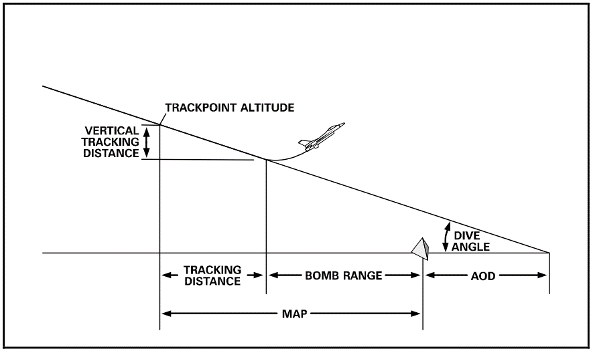
7,480
4,081
3,399
6,304
1,094
3,694
2,600
15
450 | KGS |  | N |  | E |  | Angle Off | 40
Interval | NM | Dec to Sec | 0.433 | 26 | 0.05 | 3 | Dive Angle | 15
0:00:04 | 0.5 | Sec to Dec | 9 | 0.150 | 49 | 0.817 | Release Speed (KTAS) | 500
0:00:08 | 1 |  |  |  |  |  | Tracking Time (seconds) | 5
0:00:40 | 5 |  |  |  |  |  | Release Height (FT AGL) | 2,600
0:00:44 | 5.5 | YARDSTICK |  |  |  |  | Bomb Range (FT ref 34-1-2) | 3,399
0:00:48 | 6
0:00:52 | 6.5 | LEAD | WING
0:00:56 | 7 | 55 | 118 |  |  |  | Pop-to-Pull-Down Distance | 13,200
0:01:00 | 7.5
0:01:04 | 8 |  |  |  |  |  | Recommended Angle Off | 40
0:01:08 | 8.5
0:01:12 | 9 |  |  |  |  |  | Turn Radius | 6,336
0:01:16 | 9.5 |  |  |  |  |  | Track Point Alt | 3,694
 |  |  |  |  |  |  | Vertical Tracking Distance (FT) | 1,094
 |  |  |  |  |  |  | GS | 483
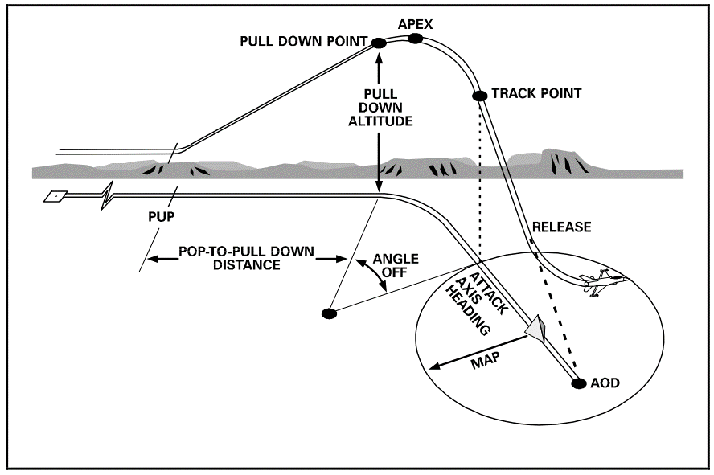
13,200
3,694
3,400
4,400
2,600
40
7,480
6,304
20
0:01:20 | 10 |  |  |  |  |  | Tracking Distance (ft) | 4,081

 |  |  |  |  |  |  | MAP Distance | 7,480 | ft | 1.2 | NM
 |  |  |  |  |  |  | Climb Angle | 20
 |  |  |  |  |  |  | Pull-Down Alt | 3,400 | ft
 |  |  |  |  |  |  | Apex Alt (3-3.5G roll-in) | 4,400 | ft
 |  |  |  |  |  |  | Aim Off Distance | 6,304 | ft | 1.0 | NM

